Project roles summary
Role | Name | School/Unit | Email | Phone | Mobile | Appointed by | Date
Project level roles
Business sponsor | Niall Scott | Corporate Communications | ns30@st-andrews.ac.uk |  |  | DCPB
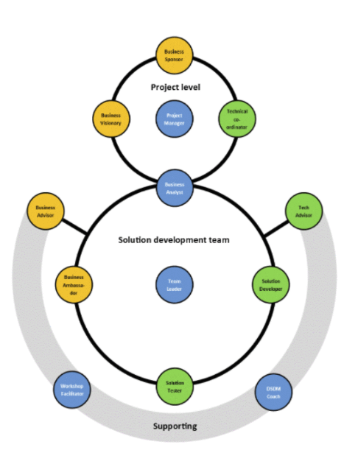
Business visionary |  |  |  |  |  | DCPB
Project manager | Gareth Saunders | Digital communications | gjms1@st-andrews.ac.uk | 4823 | 07732 356123 | DCPB
 | Carley Hollis | Digital communications | ch432@st-andrews.ac.uk | 2783 |  | DCPB
Technical coordinator (dev) | Steve Evans | Digital communications | sde1@st-andrews.ac.uk | 2540 |  | Project manager
Technical coordinator (content) | Carley Hollis | Digital communications | ch432@st-andrews.ac.uk | 2783 |  | Project manager

Solutions development team roles
Business ambassador
Business analyst | Gareth Saunders | Digital communications | gjms1@st-andrews.ac.uk | 4823 | 07732 356123 | DCPB
Team leader | Steve Evans | Digital communications | sde1@st-andrews.ac.uk | 2540 |  | DCT
Solution developer (content) | Jenny Hamrick | Digital communications | jh280@st-andrews.ac.uk | 14029 |  | DCT
 | John Chapman | Digital communications | jc331@st-andrews.ac.uk | 14011 |  | DCT
 | Maria Drummond | Digital communications | md223@st-andrews.ac.uk | 7315 |  | DCT
Solution developer (design) | Lewis Wake | Digital communications | lw75@st-andrews.ac.uk | 4824 | 07415 516886 | DCT
Solution developer (dev) | Duncan Sanderson | Digital communications | ds231@st-andrews.ac.uk | 14028 |  | DCT
 | Nick Mullen | Digital communications | nm215@st-andrews.ac.uk | 2742 |  | DCT
 | Peter Woodbridge | Digital communications | pw42@st-andrews.ac.uk | 14027 |  | DCT
 | Steve Evans | Digital communications | sde1@st-andrews.ac.uk | 2540 |  | DCT

Solution testers | Carley Hollis | Digital communications | ch432@st-andrews.ac.uk | 2783 |  | DCT
 | Duncan Sanderson | Digital communications | ds231@st-andrews.ac.uk | 14028 |  | DCT
 | Gareth Saunders | Digital communications | gjms1@st-andrews.ac.uk | 4823 | 07732 356123 | DCT
 | Jenny Hamrick | Digital communications | jh280@st-andrews.ac.uk | 14029 |  | DCT
 | John Chapman | Digital communications | jc331@st-andrews.ac.uk | 14011 |  | DCT
 | Lewis Wake | Digital communications | lw75@st-andrews.ac.uk |  | 07415 516886 | DCT
 | Maria Drummond | Digital communications | md223@st-andrews.ac.uk | 7315 |  | DCT
 | Nick Mullen | Digital communications | nm215@st-andrews.ac.uk | 2742 |  | DCT
 | Peter Woodbridge | Digital communications | pw42@st-andrews.ac.uk | 14027 |  | DCT
 | Steve Evans | Digital communications | sde1@st-andrews.ac.uk | 2540 |  | DCT

Supporting roles
Business advisors
Technical advisor

